Cover sheet
Cover sheet | Bristol Water

Purpose | This spreadsheet provides key market information for a water company's water resource zone (WRZ). Separate spreadsheets should be provided for each WRZ and the information provided should be in line with the water resources market information guidance published by Ofwat on its website.

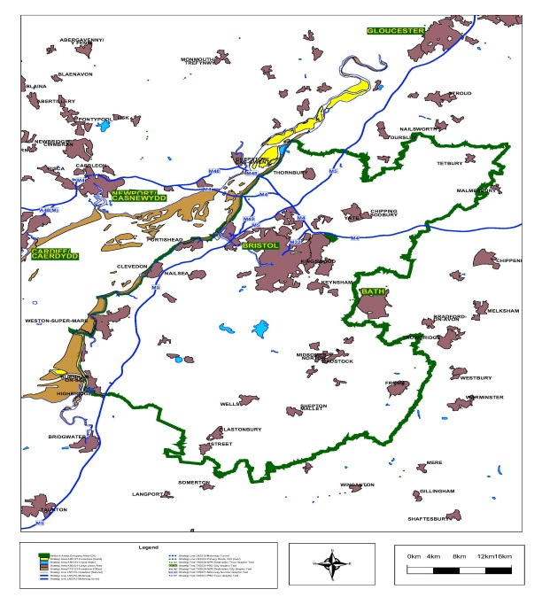
Company name | Bristol Water | Insert image of WRZ boundary (same as GIS shapefile)
WRZ name | Bristol Water WRZ

WRMP the data relates to | WRMP19
Date the spreadsheet was first published | 8-Mar-18
Date of last update (see change log for details) | 25-Jul-21

Contact details for anyone wanting to discuss commercial opportunities arising from this information | patric.bulmer@bristolwater.co.uk, water.resources@bristolwater.co.uk
Geographical Information System (GIS) shapefile of water resources zone boundary file reference (hyperlink) | https://www.bristolwater.co.uk/about-us/water-resources/

Brief description of data assurance | Data presented in this report have been derived from Bristol Water's WRMP19. All the data reported in WRMP19 have been subject to internal review and assurance with external technical assurance carried out by Atkins consulting. This assurance process was overseen and signed off by the Bristol Water PR19 subcommittee with signoff from the company Board in October 2017. Additional assurance of this market information has been carried out by two separate teams not involved in data entry, to confirm the accuracy and consistency of the data reported. This latest update reflects the changes made following The Environment Agency’s review of our 2020 water resources management plan annual review. Additional external assurance on the latest update (29-Mar-21) was conducted in June 2021 by our auditors Turner & Townsend. If any further updates are required, we will at that time publish a further update to these water resources market information data tables.

Table 1: Key market information - A high level summary of information about the area and location of the WRZ, the current water resources, a summary of the supply-demand balance problem (if any), a summary of treatment capacities and constraints, and any other considerations that may impact solutions. Note this table is predominately based on data outside or supporting the WRMP process. In contrast the other seven tables link to existing WRMP19 data tables.
Table 2: Baseline supply forecast - A more detailed overview of the baseline supply situation for the WRZ. This gives a breakdown of supply availability forecasts for the company’s planning period. Supplies include water available from reservoirs, rivers or groundwater (boreholes) whilst also accounting for treatment and transport constraints. These baseline forecasts assume no new investments or interventions by the company.
Table 3: Baseline demand forecast - A more detailed overview of the baseline demand situation for the WRZ. This gives a breakdown of demand forecasts for the company’s planning period. Demand includes the amount of water required to supply customers whilst also meeting other demands (e.g. leakage) as part of this activity. These baseline forecasts assume no new investments or interventions by the company.
Table 4: Baseline supply demand balance - A more detailed overview of the baseline supply-demand balance for the WRZ. This takes the demand forecasts from the supply forecasts to calculate whether a zone is in a surplus or a deficit over the planning period. This baseline forecast assumes no new investments or interventions by the company.
Table 5: Final plan supply forecast - A detailed overview of the final plan supply situation for the WRZ. This gives a breakdown of the final plan supply availability forecasts for the company’s planning period. These final forecasts are based on the company’s preferred options (new investments and interventions) being completed.
Table 6: Final plan demand forecast - A detailed overview of the final plan demand situation for the WRZ. This gives a breakdown of the final plan demand forecasts for the company’s planning period. These final forecasts are based on the company’s preferred options (new investments and interventions) being completed.
Table 7: Final plan supply demand balance - A detailed overview of the final plan supply-demand balance for the WRZ. This takes the final plan demand forecasts from the final plan supply forecasts to calculate whether a zone will be in a surplus or a deficit over the planning period. This final plan forecast is based on the company’s preferred options (new investments and interventions) being completed.
Table 8: Final plan option costs - A cost breakdown of the feasible options included in the company’s WRMP to solve a planning period deficit. An option is feasible if it has passed through the companies screening process and is technically workable. These may be to increase available supply or reduce forecast demand (both would benefit the supply-demand balance). The costs are broken down into components such as capital costs (Capex) and operating costs (Opex) provided as a discounted total for the life of the solution (Net Present Value). Also, included is the incremental cost of providing these solutions reported as a cost (pence) per additional unit of water delivered or saved (m³).
Our data requirements are structured around geographic data and eight data tables:
 |  | Key: Input cell colour

